Instructions
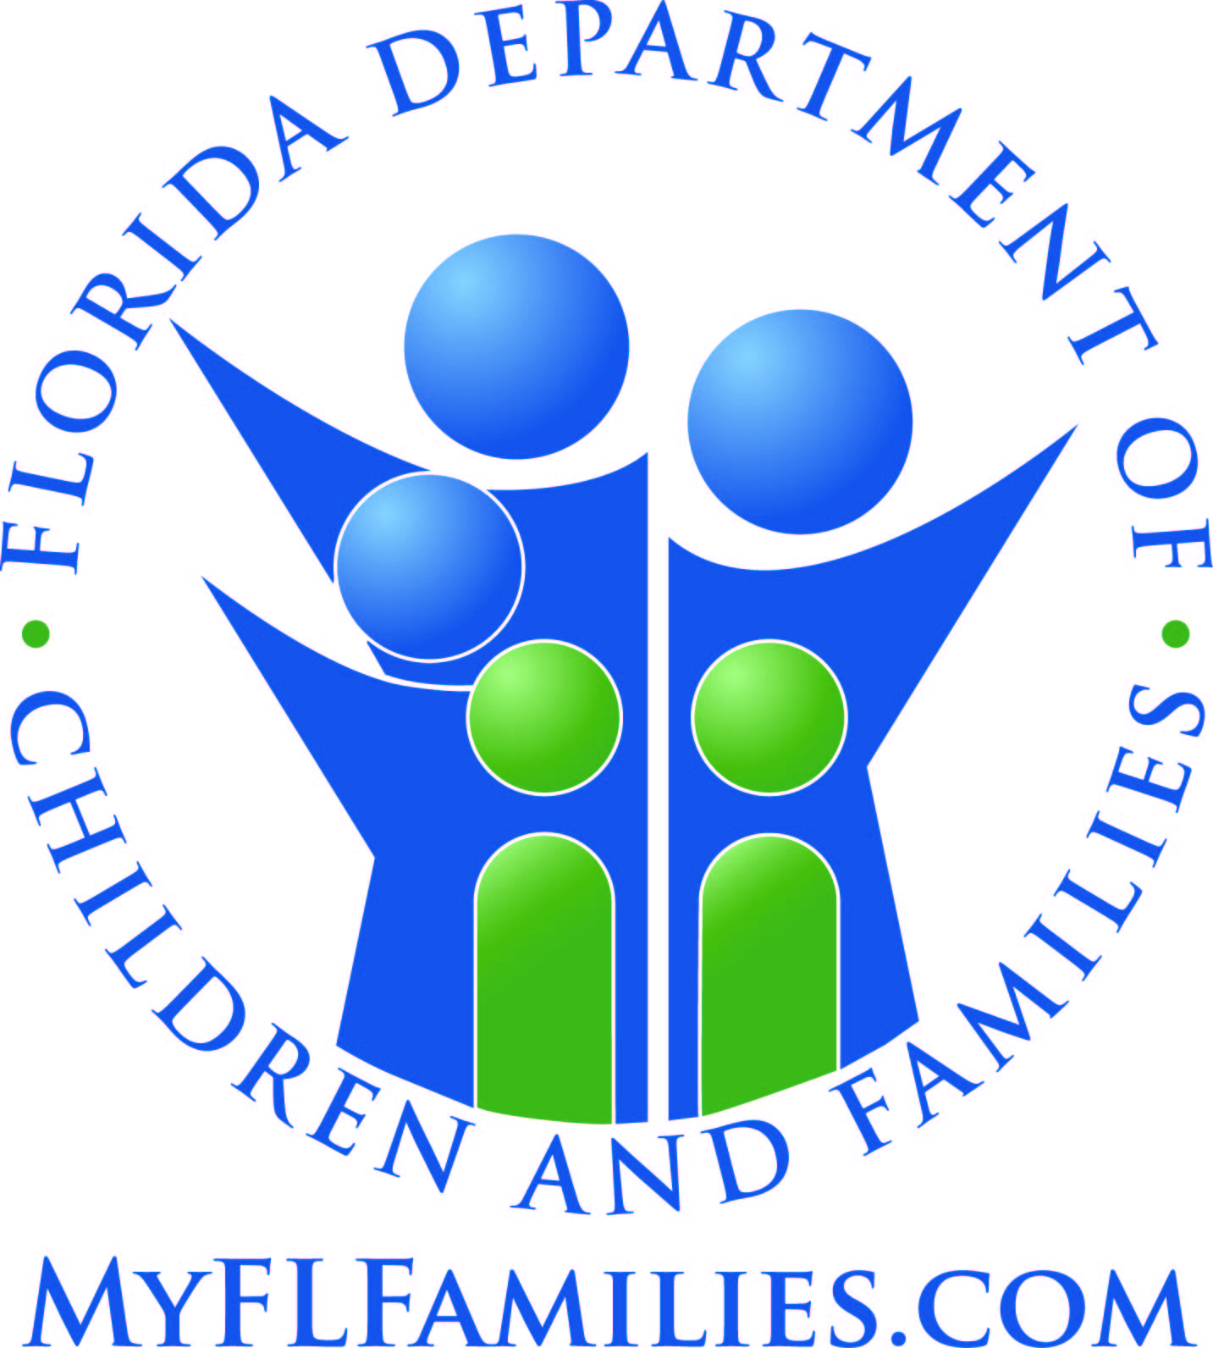

State of Florida
Department of Children and Families

Managing Entity Substance Abuse and Mental Health Block Grant Reporting Template Overview and Instructions (Updated February 2025)

***Please read carefully as some information has changed.***

All tables in this template are required. Incomplete templates will be returned for revision. Please review all instructions below.

Due April 30, 2025
Table 5a, Table 6, Table 7, Table 31, Table 32, and Table 34

Due September 1, 2025
Table 9, Table 10, Table 11, Table 12, Table 13, MHBG CSC-FEP, Special Populations Waitlist

Please do not delete the tabs for tables that aren't due for a given submission date. You can leave those tables blank.

We are striving to make Template 2 more user friendly and accessible. As the folks who actually complete this template, we want to hear from you! Click the link below or navigate to the Feedback tab to share your thoughts.
Click for Feedback Tab

Hints and Reminders:

1.) Some cells have been locked to protect formulas and validation measures. Please do not attempt to override the settings. Contact a Block Grant Coordinator (see below) for assistance.

2.) Tables 5a - 7 are expenditure tables. Tables 9 - 32 are service tables (Tables 34 and 35 and the table for MHBG CSC-FEP contain both).

3.) Critical information is provided above each table. This may include expenditure period, reporting period, OCAs, links to definitions, links to instructions, or other details.

4.) Pay close attention to reporting periods for each table.
a.) State Fiscal Year (SFY): July 1 - June 30
b.) Federal Fiscal Year (FFY): October 1 - September 30.
c.) SFY Tables will generally reflect the most recent fiscal year.
d.) FFY Tables will generally reflect a period two years in the past.
e.) Table 35: Two FFYs; October 1, 2022 - September 3, 2024.

5.) Please do not attempt to edit orange cells. These cells have formulas or data validation measures that will not function if edited. The cells have been locked; however, just in case, please be extremely careful. Black cells should be left blank.

6.) When submitting report data, please do not leave a table blank or note that it has been previously submitted. Incomplete templates will be returned for revision.

7.) Please do not leave any cells blank. If there is nothing to input, please use "0" or "N/A", as appropriate. (This does not apply to Table 7 or Table 12.)

Questions or concerns?

If you have questions or need assistance, please contact one of the Substance Abuse and Mental Health Block Grant Coordinators.

Financial Block Grant Coordinator
Kelly Gergen
kelly.gergen@myflfamilies.com

Programmatic Block Grant Coordinator
Kim Brown
Kimberley.Brown@myflfamilies.com

Substance Abuse Prevention and Treatment Block Grant Tables

Table 5a – Primary Prevention Expenditures Checklist
Expenditure Period: 10/01/2022 - 09/30/2023
Due: April 30, 2025
The state’s primary prevention program must include, but is not limited to, the six primary prevention strategies listed below. Expenditures within each of the six strategies should be directly associated with the cost of completing the activity or task. For example, information dissemination should include the cost of developing pamphlets, the time of participating staff or the cost of public service announcements, etc. If providers employ strategies not covered by these six categories defined on the Definitions tab, please report them under “Other” in Table 5a.

Information Dissemination, Education, Alternatives, Problem Identification and Referral, Community-Based Process, Environmental

In addition, prevention strategies may be classified using the IOM Model of Universal, Selective and Indicated, which classifies preventive services by the population targeted. Definitions for these categories appear on the Definitions tab:

Universal, Selective, Indicated

Managing Entities that are able to report on both the strategy type and the population served (universal, selective or indicated) should do so. If expenditure information is only available by strategy type, please report these expenditures under "Unspecified" for the strategy.

Managing Entities should report principal expenditures from the SABG and supplemental ARP SABG for substance abuse primary prevention services.

Table 6 – Resource Development Expenditure Checklist
Expenditure Period: 10/01/2022 - 09/30/2023
Due: April 30, 2025

Expenditures for resource development activities may be direct expenditures (involving the time of state or sub-state personnel, or other state or sub-state resources) or be through funding mechanisms with independent organizations. These include state, regional, and local personnel salaries prorated for time spent and operating costs such as travel, printing, advertising, and conducting meetings related to the categories below. Please pay attention to categories and category definitions.

Resource development activities exclude expenditures through funding mechanisms for providing treatment “direct service” activities and primary prevention activities themselves. Those activities are to be reflected in Table 7. Resource development expenditures provide support to those activities.

The following categories are provided for resource development. See the Definitions tab for more information:

Information systems; infrastructure support; partnerships, community outreach, and needs assessment; quality assurance and improvement; research and evaluation; training and education

Table 7 – Statewide Entity Inventory
Expenditure Period: 10/01/2022 - 09/30/2023
Due: April 30, 2025
Table 7 itemizes the expenditures for each of the treatment and primary prevention activities themselves for each provider. It is a list of treatment providers and primary prevention providers.

This table requires us to provide a list of its SABG-funded entities and corresponding expenditures for authorized activities funded under the SABG awarded three years prior to the year the state is applying for funds.

This table requires the state to enter actual expenditure amounts (not estimates).

This table records information about the entities/providers funded to provide treatment “direct service” activities and/or primary prevention activities and/or HIV Early Intervention Services.

Please note, accurate provider FEID and I-BHS ID #'s numbers are required. Incomplete or duplicative numbers for assorted providers will be returned to the Managing Entity for correction.

Table 9 – Prevention Strategy Report
Reporting Period: 10/01/2022 - 09/30/2023
Due: September 1, 2025
Record the number of providers performing each of the activities listed. Providers are those entities that expended primary prevention set-aside funds. If a provider employs strategies that are not listed, please report these under “Other Strategies” and enter a description of the type of strategy/activity.

Table 10 – Treatment Utilization Matrix
Reporting Period: 07/01/2024 - 06/30/2025
Due: September 1, 2025
This table captures the unduplicated count of persons with initial admissions and any subsequent admission(s) to an episode of care for each category (see Definitions tab).

Column A: Report the total number of initial admissions to an episode of care for each of the ten levels of care during the 12-month State Expenditure Period. Each re-admission of a client that occurs during the applicable 12-month time frame would be counted. Include care purchased using SABG funds.

Column B: Report the unduplicated number of persons served within the set of persons who were admitted during the 12-month period. Clients served during the State Expenditure Period are counted only once in each applicable level of care, even if they terminate and are readmitted during the 12-month time period. Include care purchased using SABG funds.

***Values in Col. A must be GREATER THAN OR EQUAL TO values in Col. B***

Column C: Same as column A, except only include care purchased using Supplemental COVID-19 SABG funds.

Column D: Same as Column B, except only include care purchased using Supplemental COVID-19 SABG funds.

***Values in Col. C must be GREATER THAN OR EQUAL TO values in Col. D***

Column E: Same as Column A, except only include care purchased using Supplemental American Rescue Plan (ARP) Act SABG funds.

Column F: Same as Column B, except only include care purchased using Supplemental American Rescue Plan (ARP) Act SABG funds.

***Values in Col. E must be GREATER THAN OR EQUAL TO values in Col. F***

Detoxification (24-hour care):
Row 1: Hospital Inpatient

Row 2: Free-standing Residential

Rehabilitation/Residential:
Row 3: Hospital Inpatient

Row 4: Short-term (up to 30 days)

Row 5: Long-term (over 30 days)

Ambulatory (Outpatient):
Row 6: Outpatient

Row 7: Intensive Outpatient

Row 8: Detoxification

Opioid Replacement Therapy (ORT):
Row 9: ORT Detoxification

Row 10: ORT Outpatient

Table 11a, 11b, 11c - Unduplicated Count of Persons Served
Reporting Period: 07/01/2024 - 06/30/2025
Due: September 1, 2025
This table provides an aggregate profile of the unduplicated number of persons admitted during the reporting period. Please provide this information on all programs by age, gender, race and ethnicity. Include all care purchased with public dollars, regardless of the source of funds.

In Table 11, each client initiating care at any level of service described in Table 10 during the reporting period is to be reported according to age, sex, racial and ethnic categories. In addition, Table 11 documents the number of clients who were pregnant.

For Columns A through G (Race), report the unduplicated number of persons served across sex and age categories. Do the same for Columns H and I (Ethnicity).
Total Race and Total Ethnicity should be close if not equal. If they are very different, please explain why.

In the second section of this table, report the numbers of persons served during this period that were admitted prior to this period but were not counted in the first section of this table. Also report the number of persons served during period outside of the levels of care listed on table 10, excluding those served by primary prevention services.
Total Race and Total Ethnicity should be close if not equal. If they are very different, please explain why.

Provide the unduplicated number of persons served using Supplemental COVID-19 funds in Table 11b.

Provide the unduplicated number of persons served using Supplemental ARP funds in Table 11c.

Table 12 – HIV Designated States Early Intervention Services
Reporting Period: 07/01/2024 – 06/30/2025
Due: September 1, 2025
Identify all providers that receive Block Grant HIV Early Intervention Services (EIS) set-aside funds and include the following information in each column:

Column 1: List the specific counties that each program serves and identify counties that have an active MOA/MOU for HIV testing with the County Health Department by marking them with an asterisk (*).

Column 2: Enter the total number of individuals tested through SABG HIV EIS funded programs by the provider.

Column 3: Enter the total number of HIV tests conducted with SABG HIV EIS funds.
This number may include multiple tests administered per individual client during the reporting period.

***Values in Col. 2 must be LESS THAN OR EQUAL TO values in Col. 3***

Column 4: If the funded program is a drug treatment provider, indicate (either yes or no) if the Block Grant funded tests are conducted onsite at the treatment provider location.

Column 5a & 5b: Describe the type of HIV test(s) conducted with Block Grant funds.
5a: Rapid, blood, or both
5b: Identify the specific product

Column 6: Enter the number of HIV tests that were positive for HIV.

Column 7: Enter the total number of individuals who tested positive for HIV but who were unaware of their HIV infection status prior to the 12-month reporting period.

Column 8: Enter the total number of individuals infected with HIV who were diagnosed and referred into treatment and care during the 12-month reporting period.

Column 9: List the barriers to accessing HIV testing services reported by each funded provider.

Table 13 - Charitable Choice
Reporting Period: 07/01/2024 – 06/30/2025
Due: September 1, 2025
Providers are required to comply with section 1955 of Title XIX, Part B, Subpart III of the Public Health Service Act (42 U.S.C. § 300x-65) and the Charitable Choice Provisions and Regulations; Final Rule (42 CFR Part 54).

Please answer the required Charitable Choice questions for the reporting period.

Table 31 – Individual-Based Programs and Strategies Number of Persons Served by Age, Gender, Race, and Ethnicity
Reporting Period: Calendar Year 2023 (01/01 - 12/31)
Due: April 30, 2025
Individual-based programs and strategies include practices and strategies with identifiable goals designed to change behavioral outcomes among a definable population or within a definable geographic area. These programs and strategies are provided to individuals or group of individuals who do not require treatment for substance abuse who receive the services over a period of time in a planned sequence of activities that are intended to inform, educate, develop skills, alter risk behaviors, or deliver services (e.g., a parent education group that meets once a week for 6 weeks).
6
Enter the number of persons who were served by programs and strategies that were funded wholly or in part by SABG funds during the calendar year. Include the program and strategy even if the SABG funding constituted a minor part of the funding. For programs and strategies lasting longer than a year or that span calendar years, include the data for the reporting year only.

A key indicator of individual-based programs and strategies is whether or not individual-level information is recorded for the participants (e.g., gender, race/ethnicity, age, etc.). In most cases, participants in individual-based programs will complete pre- and post-test questionnaires.

Data reported for individual-based programs should be based on actual counts - not on estimates of people served.

Category A (Age):
Enter total number of participants for each age group listed. If age is not known, enter the total in the Age Not Known subcategory.

Category B (Gender):
Enter total number of male and female participants in the applicable rows. If gender is not known, enter the total in the Gender Not Known subcategory.

Category C (Race):
Enter total number of participants for each race listed in the applicable rows. The sum of participants across all racial categories should equal the number of participants served.
Participants who are more than one race should only be included in the total for the More Than One Race subcategory.
If race is not known or is other than those listed, enter the total in the Race Not Known or Other subcategory.

The following categories are to be reported:
White
Black or African American
Native Hawaiian/Other Pacific Islander
Asian
American Indian/Alaska Native

Category D (Ethnicity):
Enter total number of Hispanic and Not Hispanic participants in the applicable rows. Enter total number of Ethnicity Unknown participants in the applicable row.

This may be a duplicate count (e.g., an individual who participates in more than one individual-based program or strategy will be recorded multiple times). For example, a young person may receive a prevention curriculum in his/her health class and also participate in an after-school tutoring program. This individual would be reported twice. Individual counts should be unduplicated within a program, but can be duplicated between programs.

Examples of individual-based strategies include (but are not limited to):
School and community-based curricula
School and community-based groups and organizations (e.g., SADD, Peer Helpers)
Alternative activities (e.g., after-school programs)
Community service activities
Parent education classes and workshops

Table 32 – Population-Based Programs and Strategies Number of Persons Served by Age, Gender, Race, and Ethnicity
Reporting Period: Calendar Year 2023 (01/01 - 12/31)
Due: April 30, 2025
Population-based programs and strategies include planned and deliberate goal-oriented practices, procedures, processes, or activities that have identifiable outcomes achieved with a sequence of steps subject to monitoring and modification. Included within this definition are environmental strategies (which establish or change written and unwritten community standards, codes, laws, and attitudes, thereby influencing incidence and prevalence of substance abuse in the general population), one-time or single events (such as a health fair, a school assembly, or the distribution of material), and other activities intended to impact a broad population. The goal is to record the numbers of people impacted by the program or strategy.

Enter the number of persons who were served by programs and strategies that were funded wholly or in part by SABG funds during the calendar year. Include the program and strategy even if the SABG funding constituted a minor part of the funding. For programs and strategies lasting longer than a year or that span calendar years, include the data for the reporting year only.

Data reported for population-based programs and strategies should be based on actual numbers (if known) or estimates of people served. This can be a duplicate count, meaning that an individual can be counted for participating in more than one program. For example, someone who attended a school assembly one day and a health fair the next would be counted for both programs. For programs and strategies that reach an identifiable population (e.g., an entire county, city, or State, or a targeted age range), it is permissible to use U.S. Census Bureau data (if available) to estimate the number of persons served.

Category A (Age):
Enter total number of participants for each age group listed. If age is not known, enter the total in the Age Not Known subcategory.

Category B (Gender):
Enter total number of male and female participants in the applicable rows. If gender is not known, enter the total in the Gender Not Known subcategory.

Category C (Race):
Enter total number of participants for each race listed in the applicable rows.
If race is not known or is other than those listed, enter the total in the Race Not Known or Other subcategory.

The following categories are to be reported:
White
Black or African American
Native Hawaiian/Other Pacific Islander
Asian
American Indian/Alaska Native

Category D (Ethnicity):
Enter total number of Hispanic and Not Hispanic participants in the applicable rows. Enter total number of Ethnicity Unknown participants in the applicable row.

Examples of how to record population-based programs and strategies include (but are not limited to):
Brochure dissemination - number of people receiving the brochure
Radio/TV talk show expert - number of people listening to or viewing the show
Health fair - number of people attending the fair
School assembly - number of people attending the assembly
Public service announcement (PSA) - number of people listening to or viewing the PSA
Coalition building - number of people in the coalition
Developing community policies (e.g., restrictions on advertising) - number of people in the community
Planning, managing, and coordinating efforts to effect positive community change - number of people involved in the planning effort
Media campaign - number of people living in the "community" impacted by the media campaign
Other environmental strategies, including media advocacy, keg registration, ID card enforcement, warning labels, server trainings – (number of people impacted by the strategy)

Table 34 - Number of Evidence-Based Programs and Strategies by Type of Intervention
Reporting Period: Calendar Year 2023 (01/01 - 12/31)
Due: April 30, 2025
Enter the number of and amount spent for evidence-based programs and strategies that were funded wholly or in part by SABG funds during the calendar year. Even if the SABG funding constituted only a minor part of the funding, include the program or strategy. For programs and strategies that last longer than a year or span multiple fiscal years, include the data for the reporting year only.

Row 1: Enter the total SABG dollars spent for evidence-based programs/strategies for each IOM category.

Row 2: Report the number of evidence-based programs and strategies funded by SABG funds during the calendar year for each IOM category.
Example: If 10 providers receiving block grant funds implemented 3 evidence-based programs and strategies (funded wholly or in part by SABG funds), and each program was implemented 3 times during the calendar year, you would report "90" as the number of evidence-based programs and strategies.
[10 providers X 3 EBPs X 3 implementations = 90 evidence-based programs and strategies]

Row 3: Report the total number of programs and strategies funded by SABG funds during the calendar year for each IOM category.
Example: If 10 providers receiving block grant funds implemented 5 programs and strategies (funded wholly or in part by SABG funds), and each program was implemented 3 times during the calendar year, you would report "150" as the total number of programs and strategies.
[10 providers X 5 programs and strategies X 3 implementations = 150 total programs and strategies]
This is the total number of SABG-funded strategies during the calendar year (i.e., all programs and strategies, including evidence-based programs and strategies).

***Values in Row 2 must be LESS THAN OR EQUAL TO values in Row 3***

IOM categories include A. Universal Direct, B. Universal Indirect, D. Selective, and E. Indicated. Only use Column C if the Universal data are not differentiated by direct and indirect.

Table 35 - Prevention Performance Measures
Reporting Period: 10/01/2022 - 09/30/2024
Due: September 1, 2025
Enter the total number of evidence-based programs and the total SABG dollars spent on evidence-based programs/strategies for each IOM listed.

Column 1: Report the total number of evidence-based programs/strategies during the reporting periodfor each IOM categegory.
See Table 34 Instructions for examples.

Column 2: Report the total amount of SABG dollars spent on evidence-based programs/strategies during the reporting period for each IOM category.
See Table 34 Instructions for examples.

IOM categories include Universal Direct, Universal Indirect, Selective, and Indicated.

Mental Health Block Grant: Coordinated Specialty Care (CSC) for Early Serious Mental Illness (ESMI)/First Episode Psychosis (FEP)
Reporting Period: 07/01/2024 - 06/30/2025
Due: September 1, 2025
One of the current block grant performance indicators assesses the effectiveness of CSC services for FEP and Early Serious Mental Illness (ESMI). Specifically, we are aiming to increase the percent of individuals assisted by CSC Teams who experience improvements in functioning or symptom severity.

Target: At least 80% of individuals served experienced improvements in function or symptom severity.

Step 1: Provide the name, email address, and phone number of a contact at the Managing Entity who can provide information on CSC Teams.

Step 2: For each team, please report:
a. The provider name and team name (if applicable);
b. Total expenditures during the reporting period;
c. Name, email address, and phone number of a contact at the provider;
d. The total number of all individuals served by age (i.e., under 18, 18 and older), sex, race, and ethnicity.
Total Race and Total Ethnicity should be close if not equal.
Row 1: The total number of initial/baseline assessment completed during the reporting period that also received a subsequent assessment during the reporting period.
Exclude individuals who completed an initial/baseline assessment but who never received a subsequent service or assessment.
Row 2: The total number of initial/baseline assessments completed during the reporting period that showed improvement in functioning or symptom severity in a subsequent assessment received during the reporting period.

***Values in Row 1 must be greater than or equal to values in Row 2***

Repeat Step 2 for each team.

Special Population Waitlist
Reporting Period: 07/01/2023 - 06/30/2024
Due: September 1, 2025
All figures provided in this tab should come only from providers that are part of the publicly-funded system of care overseen by the Managing Entities. If any of the requested information is not collected or available, please use "N/A" or "0", as appropriate.

Special populations for SABG are:
Pregnant women
Individuals who inject drugs
All other individuals

Special populations for MHBG are:
Adults
Children

Pregnant and Parenting Women (PPW) with Substance use Disorder (SUD)
Reporting Period: 07/01/2024 - 06/30/2025
Due: September 1, 2025
One of the current block grant performance indicators assesses the effectiveness of treatment services for pregnant women with SUD. Specifically, we are aiming to increase the percent of pregnant women who discharge from treatment services successfully.

Step 1: Provide the name, email address, and phone number of a contact at the Managing Entity who can provide information on PPW.

Step 2: For each provider, please report:
a. Name, email address, and phone number of a contact at the provider;

